About
Data Dictionary and Generic Questionnaire Fields

This TYS API Data Dictionary contains records that specify the data fields available in the TYS API via the API Gateway, to be used by any organization that wishes to retrieve supplier data via the API. Each record includes the API Field Name, UI Display Name, Field Description, and other field specifications.

Tabs in this workbook include:
Supplier Profile: | Supplier profile API fields and parameters - Includes SAP Ariba company profile fields that correspond to TYS fields
 | Click here for SAP web page describing Ariba company profile fields
Tax Profile Addendum: | Tax-related fields with their localisation variances, grouped by country
Supplier Profile Delta: | Used to find changes made to supplier profile data since last time queried, using internal supplier ID
Relationships: | Brings back any information specific to the buyer-supplier relationship. i.e. not public supplier information
Bank Accounts: | Response brings back country-specific bank account details that were entered by the suppplier for the buyer-supplier relationship. Can be more than one account. **Not mandatory, only returns information if the supplier entered bank account details
Bank Details: | Country-specific fields sent back in the Bank Accounts API. **Not mandatory, only returns information if the supplier entered bank details
Bulk Supplier Upload: | Fields that can be sent across the Bulk API, to upload supplier information
Questionnaire Fields: | Overall structure for Questionnaire API responses*
Questionnaires - Generic: | Generic questionnaire titles, questions and IDs that come across API with the supplier responses. Also related parameters.
Countries: | List of country names that can be sent across APIs
States: | List of countries/state names that can be sent across APIs
Sample Response: | Example of a supplier profile response sent across the TYS API

* Note: There is an additional data dictionary available for buyer-specific questionnaires. Please contact your Customer Integration Director for a copy.

If API CREDENTIALS are needed, follow the below instructions:

The API Gateway page in the application serves as the interface to access TYS data via an API. To start the process, navigate to Integrations --> API Gateway:

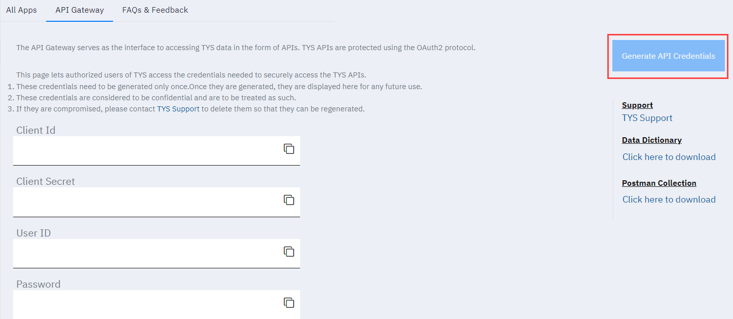

Credentials only need to be generated once. - Click 'Generate API Credentials' to autofill credentials in each field. - Once generated, credentials are displayed on the above page for future use. - Credentials are considered confidential; please treat them as such. - Contact TYS Support at support@trustyoursupplier.com if credentials are compromised. They will be deleted and new ones can be regenerated. Credentials example:

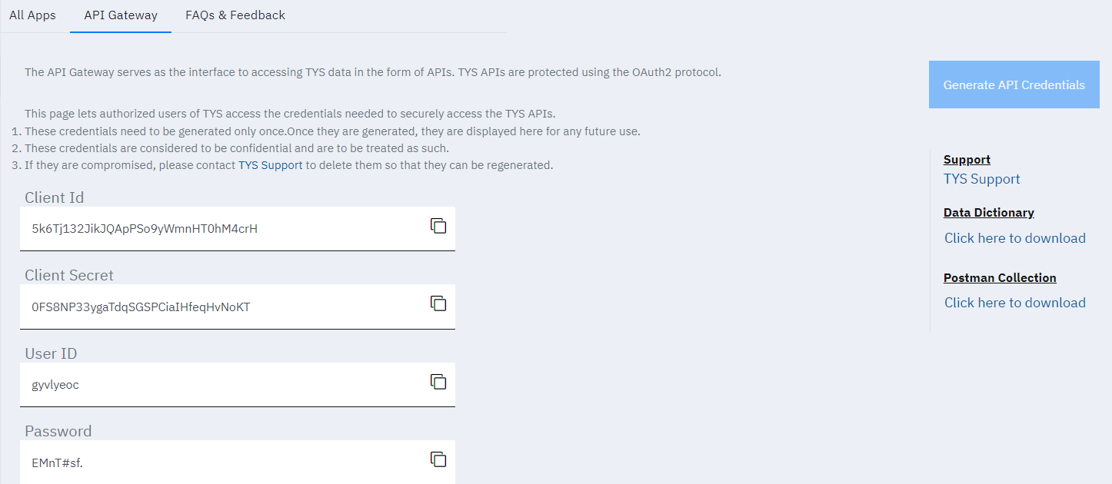

Document Version | Changes Made | Date
1.0 | * Original Data Dictionary draft | 8-Aug-20
1.1 | * Updates | 7-Oct-20
1.2 | * Adding Bulk Supplier Upload tab, minor updates | 15-Feb-21
1.3 | * Removed Dates tab * Updates to Relationships, Bank Accounts, Bank Details, and Sample Response tabs | 22-Mar-21
1.4 | * Added SAP MDG Fields to Supplier Profile and Tax Profile tabs * Additions to Questionnaire Details page (highlighted in yellow) * Added additional taxRegistrationDocuments fields to Tax Profile tab * Added Supplier Profile Delta tab | 12-Jul-21
1.5 | * Five new fields added to Relationships API (statusChangedbyEmail, pendingIDDCount, pendingApprovalCount, supplier business name, and supplier legal business name) * Questions on GDPR Compliance questionnaire (Generic Questionnaire) rearranged, tweaked * Changes to Company Operations, Diversity - Global, and UK-European Environmental Compliance generic questionnaires | 24-Sep-21
1.6 | Added all values into Status field of Relationships | 9-Nov-21
1.7 | Updated Red Hat Custom Fields, Added Red Hat IDD | 17-Nov-21
1.8 | Updated Master for BT and Nokia | 29-Jun-22

